Pivot Analyse
Analysed data

Average, Total Sales and Rank on Total sales Red Bull Sales

 | Data
# Front-end coolers: Red Bull | Average of Total RB Sales ($) | Sum of Total RB Sales ($) | Rank of Sales
0 | 1267.35 | 115329.00 | 1
1 | 4391.25 | 35130.00 | 9
2 | 4793.50 | 57522.00 | 4
3 | 5458.33 | 49125.00 | 6
4 | 7489.00 | 67401.00 | 2
5 | 9415.20 | 47076.00 | 7
6 | 10394.40 | 51972.00 | 5
7 | 10846.50 | 21693.00 | 10
8 | 11502.00 | 46008.00 | 8
10 | 11993.40 | 59967.00 | 3
Grand Total | 3674.82 | 551223.00

Front-end coolers Red Bull: Average of RB Sales per Front-end cooler ($) and its Rank

 | Data
# Front-end coolers: Red Bull | Average of RB Sales per Front-end cooler ($) | Sum of RB Sales per Front-end cooler ($)
0 | 0.00 | 10
1 | 855.63 | 8
2 | 922.67 | 2
3 | 1099.67 | 5
4 | 1377.56 | 1
5 | 2024.60 | 3
6 | 1879.60 | 6
7 | 1337.50 | 9
8 | 1891.50 | 7
10 | 1984.60 | 4
Grand Total | 532.65

Front-end coolers ColaCo: Average of ColaCo Sales per Front-end cooler ($) and its Ranking

 | Data
# Front-end coolers: ColaCo | Average of ColaCo Sales per Front-end cooler ($) | Rank ColaCo Sales per Front-end cooler
4 | 790.58 | 5
5 | 954.71 | 1
6 | 919.76 | 3
7 | 952.68 | 2
8 | 780.37 | 6
9 | 658.50 | 9
10 | 729.59 | 8
11 | 834.34 | 4
12 | 729.74 | 7
Grand Total | 792.11

RB Varieties: Average of Total RB Sales ($)

Average of Total RB Sales ($)
RB Varieties (#) | Total
0 | 0.00
1 | 5527.24
2 | 5043.17
3 | 7210.05
4 | 5908.26
5 | 4880.18
6 | 4695.25
Grand Total | 3674.82

Avearge Marigin for Retailer on Red Bull and ColaCo

Data | Total
Average of RB Margin % | 35%
Average of ColaCo Margin (%) | 20%

Analyzed data
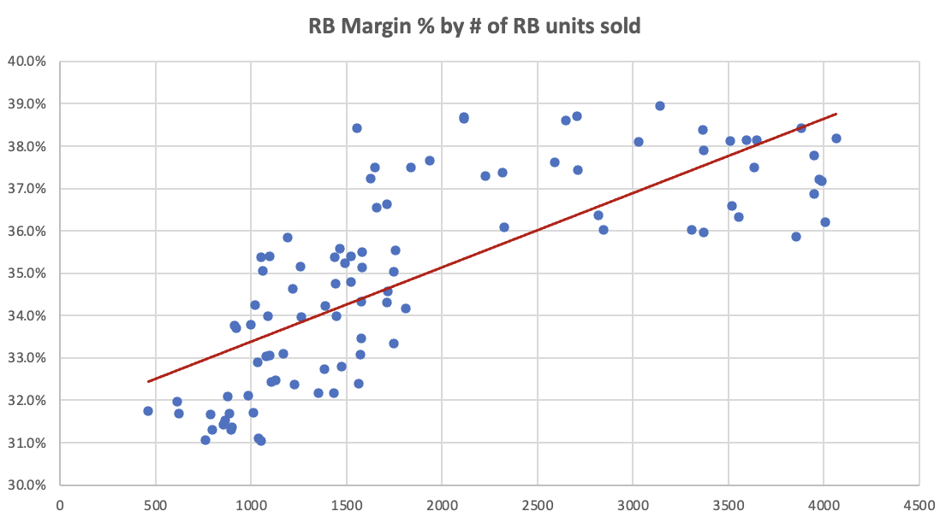
Analyzed Data
Analyzed data to help you if you are stuck or want to spot check your own analysis. There are many other analyses you could choose to do, these is just some of the most important cuts.

1. Average total Red Bull Sales by number of Red Bull Coolers
# Front-end coolers: Red Bull | Average of Total RB Sales ($)
0 | 1267.3516484
1 | 4391.25
2 | 4793.5
3 | 5458.3333333
4 | 7489
5 | 9415.2
6 | 10394.4
7 | 10846.5
8 | 11502
10 | 11993.4
Grand Total | 3674.82

2. Average Red Bull sales per Cooler by number of Red Bull Coolers
# Front-end coolers: Red Bull | Average of RB Sales per Front-end cooler ($)
1 | 855.625
2 | 922.66666667
3 | 1099.6666667
4 | 1377.5555556
5 | 2024.6
6 | 1879.6
7 | 1337.5
8 | 1891.5
10 | 1984.6
Grand Total | 1354.1864407

3. Average ColaCo sales per Cooler by number of ColaCo Coolers
# Front-end coolers: ColaCo | Average of ColaCo Sales per Front-end cooler ($)
4 | 790.58
5 | 954.71136364
6 | 919.7625
7 | 952.68333333
8 | 780.36833333
9 | 658.502
10 | 729.59
11 | 834.33666667
12 | 729.74052632
Grand Total | 792.11186667

4. Average Red Bull Margin vs. Average ColaCo Margin

Average of RB Margin % | Average of ColaCo Margin (%)
0.3496251331 | 0.19947961084

5. Average total Red Bull Sales by number of Red Bull Varieties
RB Varieties (#) | Average of Total RB Sales ($)
0 | 0
1 | 5527.2352941
2 | 5043.1666667
3 | 7210.05
4 | 5908.2631579
5 | 4880.1818182
6 | 4695.25
Grand Total | 3674.82

6. Red Bull Margin vs. number of RB units sold

Analyzed data - Static
Analyzed Data
Analyzed data to help you if you are stuck or want to spot check your own analysis. There are many other analyses you could choose to do, these is just some of the most important cuts.

1. Average total Red Bull Sales by number of Red Bull Coolers
Does the number of Red Bull coolers have an impact on the total amount of Red Bull sales?
# RB Coolers | Average Total RB Sales ($)
0 | $1,267.35
1 | $4,391.25
2 | $4,793.50
3 | $5,458.33
4 | $7,489.00
5 | $9,415.20
6 | $10,394.40
7 | $10,846.50
8 | $11,502.00
10 | $11,993.40
All | $3,674.82

2. Average Red Bull sales per Cooler by number of Red Bull Coolers
What is the average amount of Red Bull Sales per Red Bull Cooler? Does this vary by number of coolers? How does this compare to ColaCo?
# RB Coolers | Average of RB Sales per Front-end cooler ($)
1 | $855.63
2 | $922.67
3 | $1,099.67
4 | $1,377.56
5 | $2,024.60
6 | $1,879.60
7 | $1,337.50
8 | $1,891.50
10 | $1,984.60
All | $1,354.19

3. Average ColaCo sales per Cooler by number of ColaCo Coolers
What is the average amount of ColaCo Sales per ColaCo Cooler? Does this vary by number of coolers? How does this compare to Red Bull?
# ColaCo Coolers | Average of ColaCo Sales per Front-end cooler ($)
4 | $790.58
5 | $954.71
6 | $919.76
7 | $952.68
8 | $780.37
9 | $658.50
10 | $729.59
11 | $834.34
12 | $729.74
All | $792.11

4. Average Red Bull Margin vs. Average ColaCo Margin
What is the average margin of Red Bull and ColaCo?
Avg. RB Margin | Avg. ColaCo Margin
35.0% | 19.9%

5. Average total Red Bull Sales by number of Red Bull Varieties
Does the number of Red Bull varieties have an impact on the total sales amount?
RB Varieties | Average Total RB Sales ($)
0 | $0.00
1 | $5,527.24
2 | $5,043.17
3 | $7,210.05
4 | $5,908.26
5 | $4,880.18
6 | $4,695.25
All | $3,674.82

6. Red Bull Margin vs. number of RB units sold
What happens to RB Margin as a store sells more units of RB?

